8 Role Analysis
Scores | Total for each horizontal row (section) need to be 10
Section | A | B | C | D | E | F | G | H | Total
1 | 1 | 2 | 3 | 4 | 0 | 0 | 0 | 0 | 10
2 | 0 | 1 | 2 | 3 | 4 | 0 | 0 | 0 | 10
3 | 0 | 0 | 0 | 1 | 2 | 3 | 4 | 0 | 10
4 | 0 | 0 | 0 | 0 | 1 | 2 | 3 | 4 | 10
5 | 3 | 2 | 1 | 1 | 3 | 0 | 0 | 0 | 10
6 | 0 | 3 | 2 | 1 | 1 | 3 | 0 | 0 | 10
7 | 0 | 0 | 0 | 3 | 2 | 1 | 2 | 2 | 10

Analysis (calcuated points for each role)
1 | G | 0 | D | 4 | F | 0 | C | 3 | A | 1 | H | 0 | B | 2 | E | 0
2 | A | 0 | B | 1 | E | 4 | G | 0 | C | 2 | D | 3 | F | 0 | H | 0
3 | H | 0 | A | 0 | C | 0 | D | 1 | F | 3 | G | 4 | E | 2 | B | 0
4 | D | 0 | H | 4 | B | 0 | E | 1 | G | 3 | C | 0 | A | 0 | F | 2
5 | B | 2 | F | 0 | D | 1 | H | 0 | E | 3 | A | 3 | C | 1 | G | 0
6 | F | 3 | C | 2 | G | 0 | A | 0 | H | 0 | E | 1 | B | 3 | D | 1
7 | E | 2 | G | 2 | A | 0 | F | 1 | D | 3 | B | 0 | H | 2 | C | 0
Totals | I | 7 | C-O | 13 | SH | 5 | PL | 6 | RI | 15 | ME | 11 | TW | 10 | CF | 3
Rank |  | 5 |  | 2 |  | 7 |  | 6 |  | 1 |  | 3 |  | 4 |  | 8

Team Roles specification (rank the "Analysis values" from highest to lowest to find your roles) |  |  |  |  |  |  |  |  |  |  |  |  |  |  |  |  | Highest Score = Primary Role Next Best = Backup Role Lowest Score = Weakest Role
Which team role are you according to your score?
Do you feel that the description relates to you?
Do the other members of your group think this is an accurate description?
If not, which other description is more accurate?
Adapted from: |  | https://youtu.be/-efhOLVgEvM
 |  |  | Personal characteristics+D27:Q34D28D27:Q33D27D27:Q35 |  |  | Team-role contributions |  |  |  |  |  | Allowable weaknesses
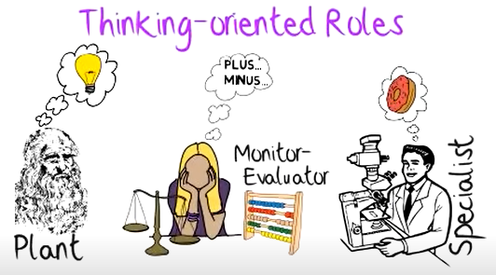
Thinking Oriented Roles | Plant worker |  | • clever • imaginative • unorthodox |  |  | • creates original ideas • solves the complex problems |  |  |  |  |  | • weak communicating with and managing ordinary people
 | Monitor evaluator |  | • sober • intelligent • dry • objective / Logical |  |  | • sees all options • analyses • judges likely outcomes accurately |  |  |  |  |  | • lacks drive and ability to inspire others
 | Specialist *new - not calculated |  | • single minded • self-starting • dedicated |  |  | • provides knowledge and technical skills in rare supply |  |  |  |  |  | • contributes only on a narrow front

People Oriented Roles | Co-ordinator |  | • mature • confident • trusting |  |  | • clarifies goals and priorities • motivates colleagues • promotes decisions |  |  |  |  |  | • not outstanding in intelligence or creative ability
 | Team worker |  | • social • mild • accommodating • perceptive |  |  | • listens • builds • averts friction • handles difficult people |  |  |  |  |  | • indecisive in crunch situations
 | Resource investigator |  | • extroverted • enthusiastic • curious • communicative |  |  | • explores possibilities • develops contacts • negotiates |  |  |  |  |  | • loses interest once initial enthusiasm has passed
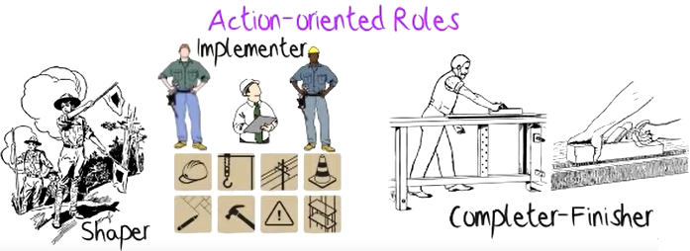
Action Oriented Roles | Shaper (Leader/Driver) |  | • highly strung • outgoing • dynamic |  |  | • challenges • pressurises • gets around obstacles |  |  |  |  |  | • prone to provocation and short-lived bursts of temper
 | Implementor |  | • conservative • disciplined • reliable |  |  | • organises • turns ideas and plans into practical forms of action • Carries out practical strategies |  |  |  |  |  | • somewhat inflexible • slow to respond to new possibilities
 | Completer finisher (QA) |  | • painstaking • conscientious • anxious |  |  | • searches out errors and omissions (QA) • concentrates on and keeps others to schedules and targets |  |  |  |  |  | • inclined to worry unduly • reluctant to delegate

Team Map (Rank your role according to the score)

Belbin North America (2012) How to Create and Analyze Your Belbin Team Map. Available at: https://www.youtube.com/watch?v=3wflOJ94EQE (Accessed: 31 January 2022).
 |  |  | You |  | Member 2 |  | Member 3 |  | Member 4 |  | SURPLUS more than 50% has rank 1,2,3. Appoint a policeman to break others. |  |  | VOID - Work as a team to come up with ground rules. i.e. would support a person for their role and will not "trod".
Thinking Oriented Roles | Plant worker |  | 6 |  | 9 |  | 8 |  | 7 |  |  |  |  | WARNING
 | Monitor evaluator |  | 3
 | Specialist |  | *new - not calculated here
People Oriented Roles | Co-ordinator |  | 2
 | Team worker |  | 4
 | Resource investigator |  | 1
People Oriented Roles | Shaper (Leader/Driver) |  | 7
 | Implementor |  | 5
 | Completer finisher (QA) |  | 8

Challenge - see if you can modifiy this workbook to identify ALL NINE ROLES - using the follwing as a clue
https://stevensonsino.com/wp-content/uploads/2019/06/BELBIN-questionnaire.pdf

9 Role HomeWork
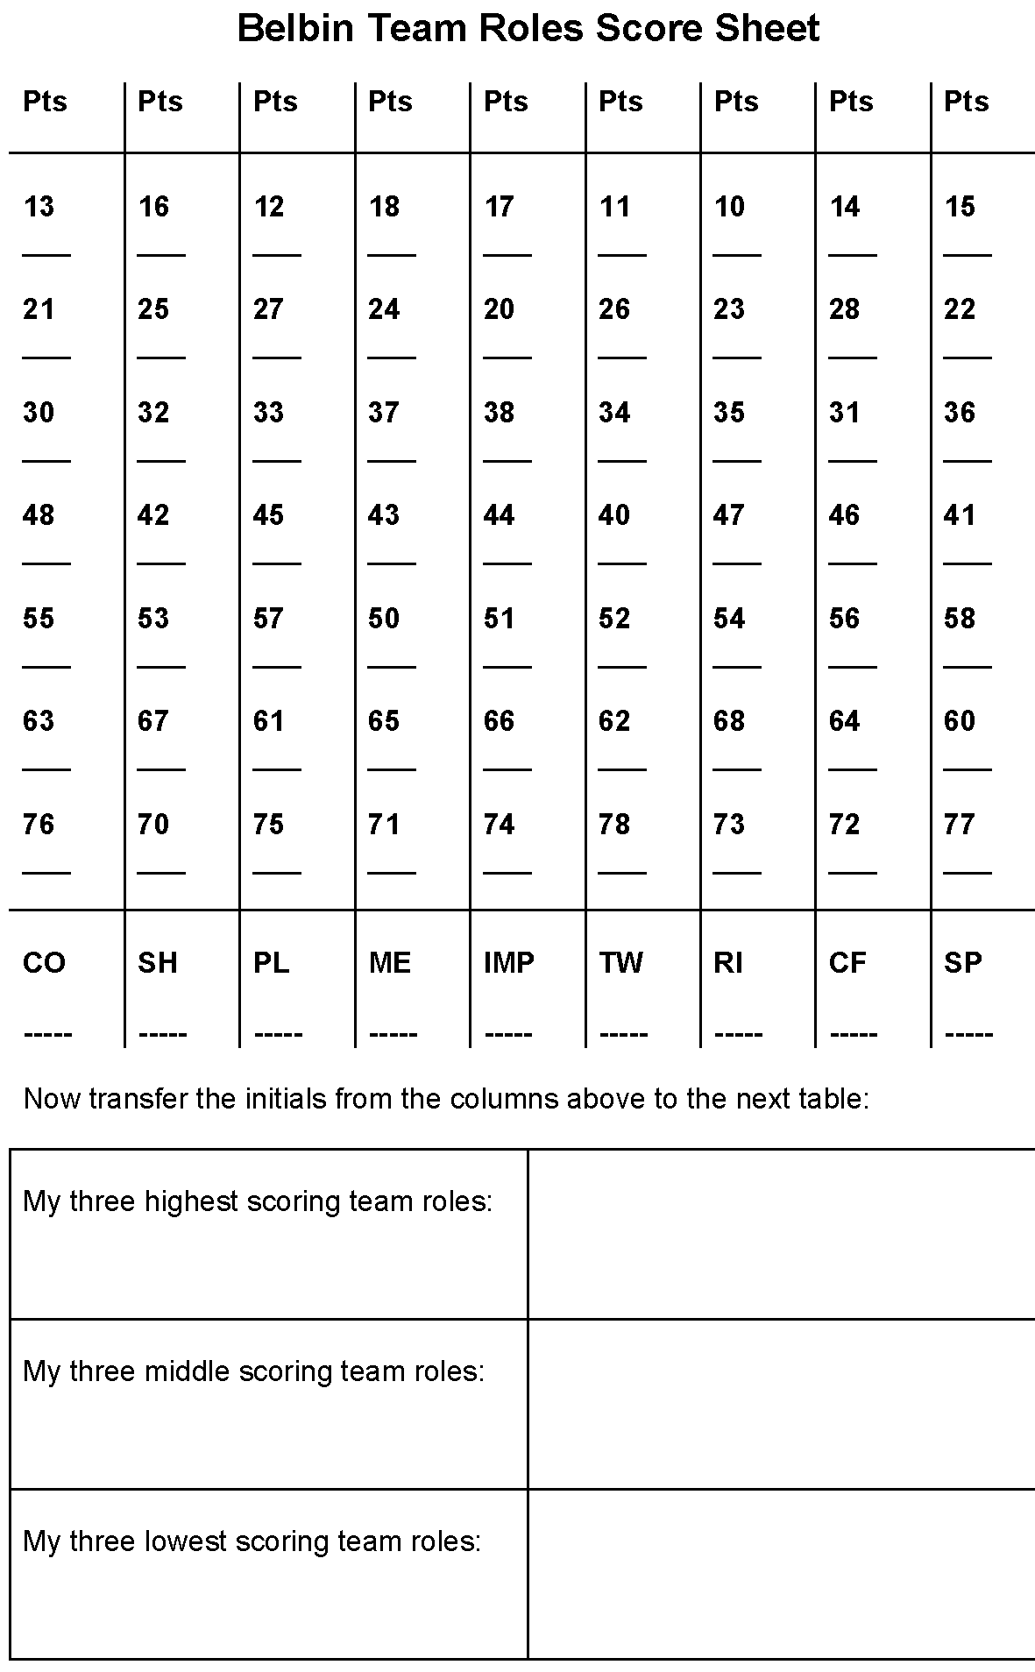
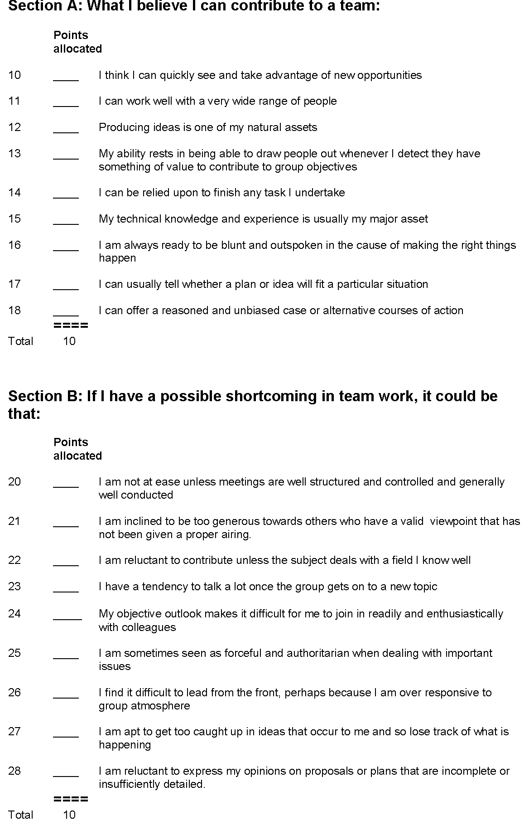
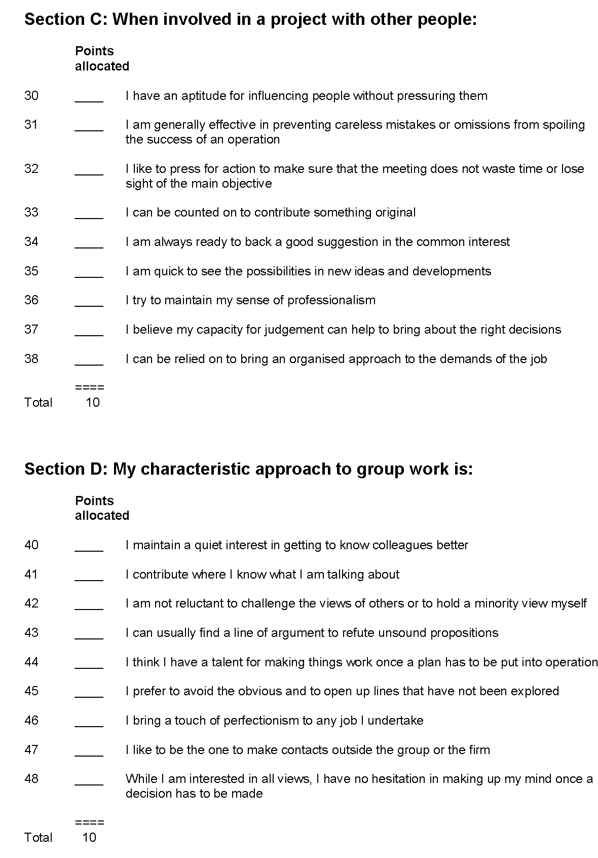
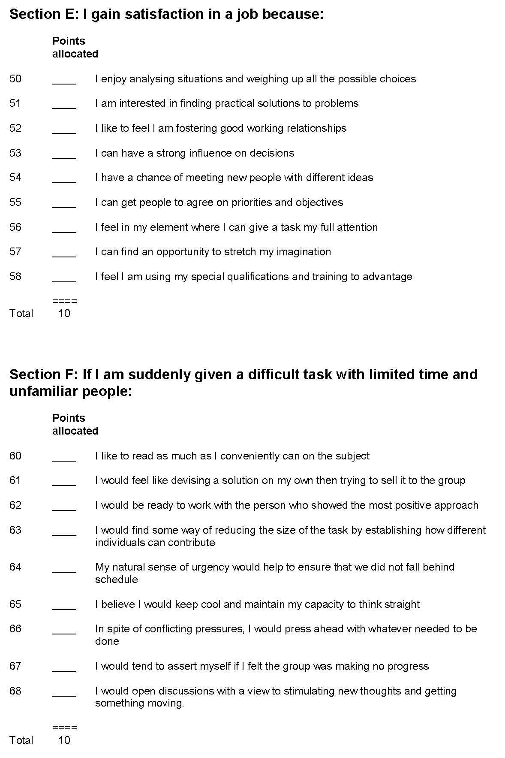
Soruce | Quest, A. (nd) ‘BELBIN TEAM ROLES QUESTIONNAIRE’. https://stevensonsino.com/wp-content/uploads/2019/06/BELBIN-questionnaire.pdf
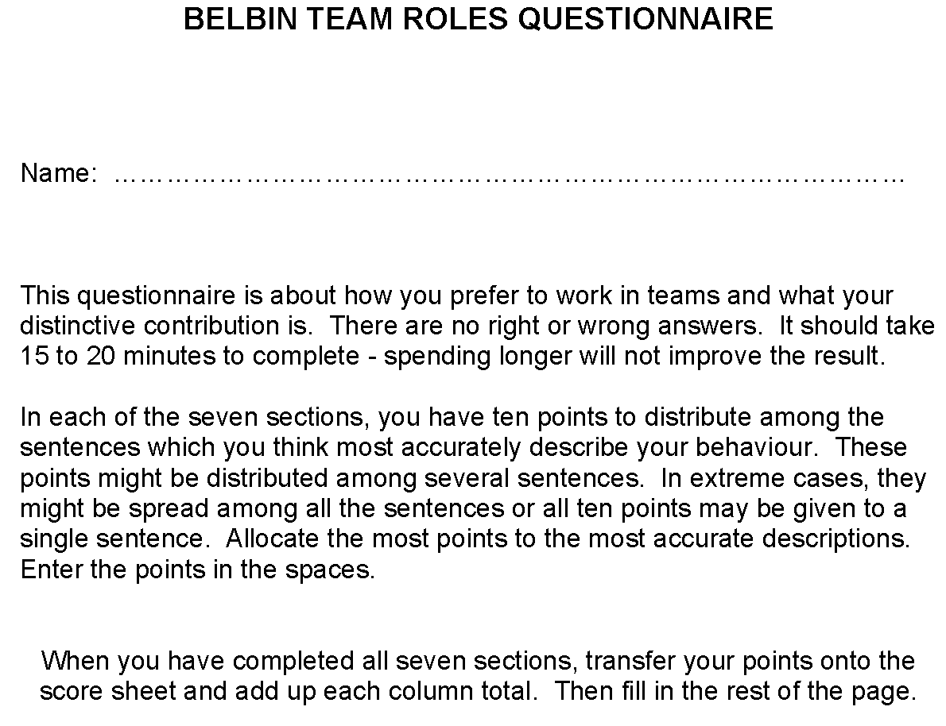
 |  | The numbers represent the question number. Write your score for ach of them and total

